Questionnaire (2)
...
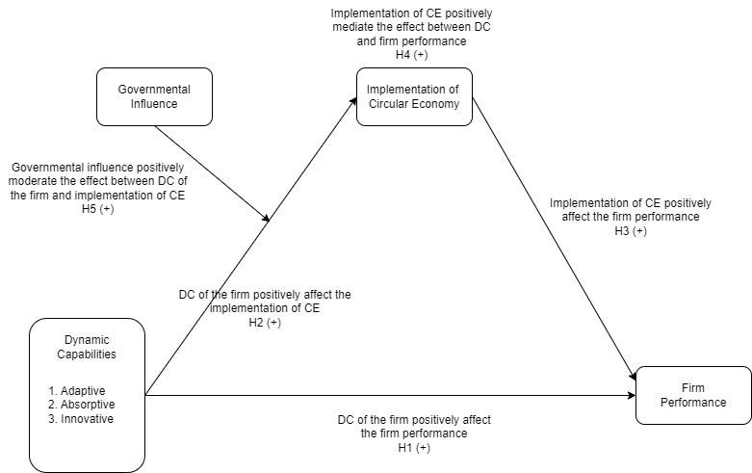
Competitiveness |  |  |  | Reputation
3 | 5 | 5 | 4 | 3
5 | 3 | 4 | 3 | 3
3 | 3 | 3 | 3 | 5
5 | 5 | 2 | 3 | 4
4 | 4 | 4 | 4 | 4
4 | 4 | 4 | 3 | 4
4 | 3 | 4 | 3 | 5
5 | 3 | 5 | 4 | 4
4 | 2 | 5 | 2 | 4
4 | 4 | 2 | 3 | 4
4 | 4 | 4 | 3 | 3
4 | 5 | 4 | 4 | 4
2 | 4 | 3 | 2 | 5
2 | 4 | 2 | 4 | 2
2 | 3 | 4 | 4 | 3
5 | 5 | 3 | 3 | 4
5 | 3 | 3 | 3 | 5
3 | 4 | 3 | 3 | 4
3 | 3 | 4 | 5 | 3
5 | 2 | 4 | 5 | 5
4 | 3 | 5 | 4 | 3
5 | 4 | 5 | 5 | 2
3 | 2 | 5 | 4 | 4
4 | 3 | 3 | 3 | 4
4 | 4 | 4 | 3 | 3
3 | 5 | 5 | 5 | 4
5 | 4 | 3 | 4 | 2
4 | 5 | 2 | 2 | 3 | Remark
3 | 4 | 4 | 2 | 4 | Location | 1 = China, 2 = Hong Kong, 3 = Other Asia country
3 | 4 | 4 | 3 | 2 | Type of Industry | 1 = Plastic, 2 Toy, 3 = Packaging, 4 = Metal
4 | 2 | 4 | 5 | 4 | Employee | 1 = 1-9, 2 = 10-49, 3 = 50-239, 4 = 250+
3 | 3 | 5 | 3 | 4 | Age | 1 = <1, 2 = 1-4, 3=5-9, 4=10-49, 5=50+
3 | 3 | 5 | 4 | 4 | Position | 1=CEO, 2=CIO, 3=COO, 4=Head Of Strategy, 5=Head of CE, 6=Director, 7=Manager, 8=Other
5 | 3 | 4 | 2 | 5 | Structure | 1=Private, 2=public
3 | 4 | 4 | 3 | 3
4 | 3 | 5 | 2 | 5
...

New Model
Governmental Influence

CE

DC
Firm Performance

